1. Title Page
Grocery Basket Analysis

Project Name: Instacart Grocery Basket Analysis
Date: April 2023
Analyst Name: Sam Callender

Contents:
Population Flow
Consistency checks
Wrangling steps
Column derivations
Visualizations
Recommendations

“The Instacart Online Grocery Shopping Dataset 2017”, Accessed from www.instacart.com/datasets/grocery-shopping-2017 via Kaggle on [4-26-23].
Note that the customer data for Exercises 4.9 and 4.10, as well as the “prices” column in the products data set, were both fabricated for the purpose of this CareerFoundry course.

2. Population Flow
Title page

Population flow

Exclusion flag
Condition: max_order <
Obervations to be removed:
Final total count of order_products_all: 32,404,859

Orders_products_combined
Orders_products_merged
Orders_products_all

Total: 32,404,859
Total: 32,434,489
Total: 32,404,859

1.) The grey boxes in the first row of the population flow represent the original data sets as they were when you downloaded them. In the Total fields you need to add the count of the rows when you imported the data set into Jupyter.
2.) The second row of boxes (coloured) represents the data sets after you manipulated them, e.g., removed missing values and duplicates. In the Total fields you need to add the count of the rows after conducting these operations. This offers a visual oveview of how the data flows throughout the data consistency checks.
3.) The third row, where also the arrows are coloured, represents the merges you performed between the datasets. In the Total fields you need to add the count of the rows in the merged datasets, so that you end up with the final dataset (in the red box). Keep in mind the final dataset should be without exclusions (based on the exclusion flag).

3. Consistency checks
 |  |  |  | Title page
Consistency checks

Dataset | Missing values | Missing values treatment | Duplicates
orders | days_since_prior_order column | No treatment. | No duplicates
products | 16 missing in product_name column | Records were removed | 5 Duplicates removed
orders_products_prior | No values missing |  | No duplicates
customers | No values missing |  | No duplicates

4. Wrangling steps
 |  |  |  | Title page
Wrangling steps

Columns dropped | Columns renamed | Columns' type changed | Comment/Reason
Unnamed: 0 |  |  | Not needed
Unnamed: 1 |  |  | Not needed
aisle_id |  |  | Not needed
first_name |  |  | Removed for data security
last_name |  |  | Removed for data security
 | order_dow in orders.csv |  | Renamed to order_day_of_week for clarity
 | Gender |  | Changed to gender
 | STATE |  | Changed to state
 | AGE |  | Changed to age
 | n_dependants |  | Changed to number_dependants
 | fam_status |  | changed to family_status
 |  | order_id | Changed from Integer to String since it is user specific
 |  | user_id | Changed from Integer to String since it is user specific

5. Column derivations
 |  |  |  | Title page

Column derivations and aggregations

In this tab you should add tables below that the frequences of flags/label variables that you produced after deriving them. NB: don't do this for continuous variables, only for flags.
Dataset | New column | Column/s it was derived from | Conditions
orders_products_merged | price_range_loc | prices | if prices <= 5, Low-range product if prices > 5 & prices <= 15, Mid-range product if prices > 15, High-range product
orders_products_merged | busiest_day | order_day_of_week | if orders_day_of_week = 0, Busiest day if orders_day_of_week = 4, Least Busy else Regularly Busy
orders_products_merged | busiest_days | order_day_of_week | if order_day_of_week = 0 & 1, Busiest day if order_day_of_week = 4 & 3, Least Busy else Regularly Busy
orders_products_merged | busiest_period_of_day | order_hour_of_day | >= orders[2]]['hour']), Most Orders , < orders[2])]['hour']), Average Orders, <= orders[0]]['hour']), Fewest Orders

 | loyalty_flag | max_order | ['max_order'] > 40, 'loyalty_flag'] = 'Loyal customer'
 |  |  | ['max_order'] <= 40) & (df_ords_merged['max_order'] > 10), 'loyalty_flag'] = 'Regular customer'
 |  |  | ['max_order'] <= 10, 'loyalty_flag'] = 'New customer'

 | spending_flag | average_price | ['average_price'] < 10, 'spending_flag'] = 'Low spender'
 |  |  | ['average_price'] >= 10, 'spending_flag'] = 'High spender'

 | order_frequency_flag | median_prior_orders | ['median_prior_orders'] > 20, 'order_frequency_flag'] = 'Non-frequent customer'
 |  |  | ['median_prior_orders'] > 10) & (df_ords_merged['median_prior_orders'] <= 20), 'order_frequency_flag'] = 'Regular customer'
 |  |  | ['median_prior_orders'] <= 10, 'order_frequency_flag'] = 'Frequent customer'

 | region | state | region = []
 |  |  | for value in df_ords_prods_custm['state']:
 |  |  | if (value == 'Maine') or (value == 'New Hampshire') or (value == 'Vermont') or (value == 'Massachusetts') or (value == 'Rhode Island') or (value == 'Connecticut') or (value == 'New York') or (value == 'Pennsylvania') or (value =='New Jersey'):
 |  |  | region.append('Northeast')
 |  |  | elif (value == 'Wisconsin') or (value == 'Michigan') or (value == 'Illinois') or (value == 'Indiana') or (value == 'Ohio') or (value == 'North Dakota') or (value == 'South Dakota') or (value == 'Nebraska') or (value == 'Kansas') or (value == 'Minnesota') or (value == 'Iowa') or (value == 'Missouri'):
 |  |  | region.append('Midwest')
 |  |  | elif (value == 'Idaho') or (value == 'Montana') or (value == 'Wyoming') or (value == 'Nevada') or (value == 'Utah') or (value == 'Colorado') or (value == 'Arizona') or (value == 'New Mexico') or (value == 'Alaska') or (value == 'Washington') or (value == 'Oregon') or (value == 'California') or (value == 'Hawaii'):
 |  |  | region.append('West')
 |  |  | else:
 |  |  | region.append('South')

 | low_order_flag | max_order | ['max_order'] < 5, 'low_order_flag'] = 'Low order customer'
 |  |  | ['max_order'] >= 5, 'low_order_flag'] = 'High order customer'

 | age_profile | age | ['age'] <= 40), 'age_profile'] = '18-40'
 |  |  | ['age'] > 40) & (df_ords_prods_custm['age'] <= 65), 'age_profile'] = '41-65'
 |  |  | ['age'] > 65), 'age_profile'] = '65+'

 | income_profile | income | ['income'] <= 50000), 'income_profile'] = '<=50k'
 |  |  | ['income'] > 50000) & (df_all['income'] <= 150000), 'income_profile'] = '50k - 150k'
 |  |  | ['income'] > 150000), 'income_profile'] = '150k+'

 | family_profile | number_dependants | ['number_dependants'] == 0), 'family_profile'] = 'Single Adult'
 |  |  | ['number_dependants'] != 0), 'family_profile'] = 'Family'

6. Visualizations
 |  |  |  | Title page

Visualisations

Key Questions

1. What are the busiest days of the week and hours of the day, (i.e., the days and times with the most orders) in order to schedule ads at times
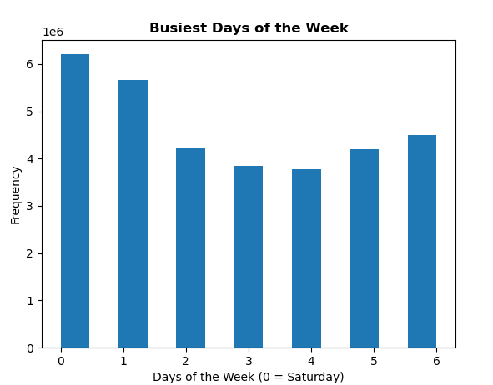

COMMENT: The most orders are placed on Saturday and Sunday and the fewest orders on Tuesday and Wednesday.
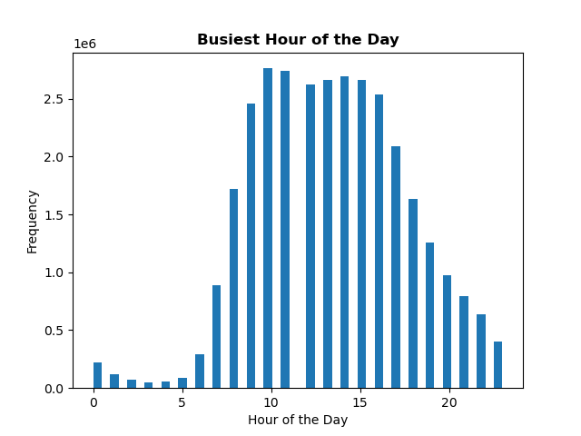

COMMENT: 10am-11am is the peak time when orders are placed.

2. At what time of day do customers spend the most money?
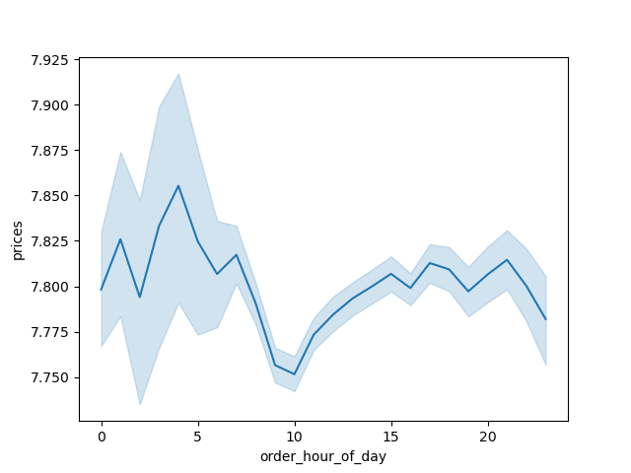
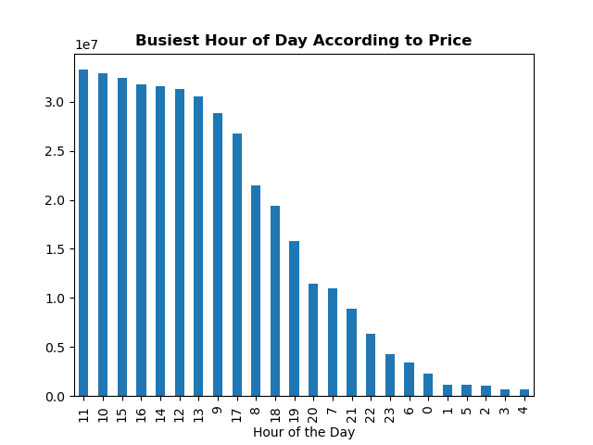

COMMENT: Customers will spend money on higher priced items around 4pm each day, but that does not necessarily mean they spend the most at that time. The right chart illustrates that the busiest hour according to price is 11am.

3. What are the price range groupings for Instacart products?

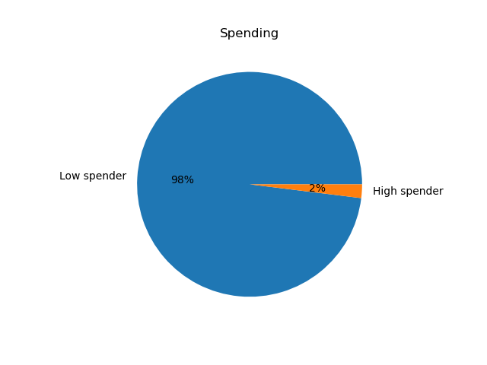

 |  |  | High Spender: 634901
 |  |  | Low Spender: 31771140

 |  |  | ['average_price'] < 10, 'spending_flag'] = 'Low spender'
 |  |  | ['average_price'] >= 10, 'spending_flag'] = 'High spender'

COMMENT: It is clear the vast majority of customers fall into the "Low Spender" category.

4. Are certain types of products more popular than others? Which departments have the highest frequency of product orders?

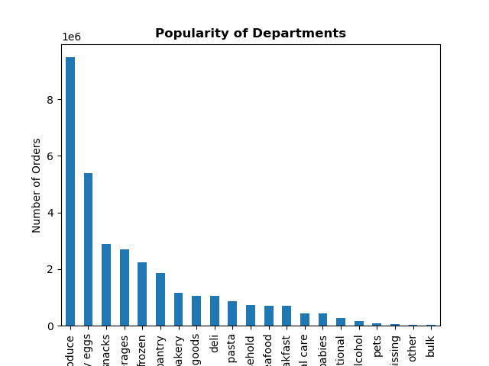

COMMENT: The departments with the highest frequency of orders are Produce, Dairy eggs, Snacks, Beverages, and Frozen.

5. The marketing and sales teams are particularly interested in the different types of
customers in their system and how their ordering behaviors differ.

5a. What’s the distribution among users in regards to their brand loyalty (i.e., how often do they return to Instacart)?
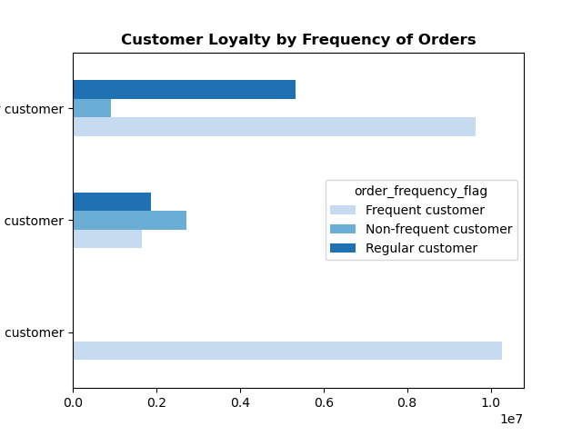

 | Regular Customer

 | New Customer

 | Loyal Customer

COMMENT: The loyal customers appear to be the most frequent customers. The regular customers are typically also frequent customers. New customers are the customers that are the least frequent.

5b. What are the differences in ordering habits based on a customer’s loyalty status?
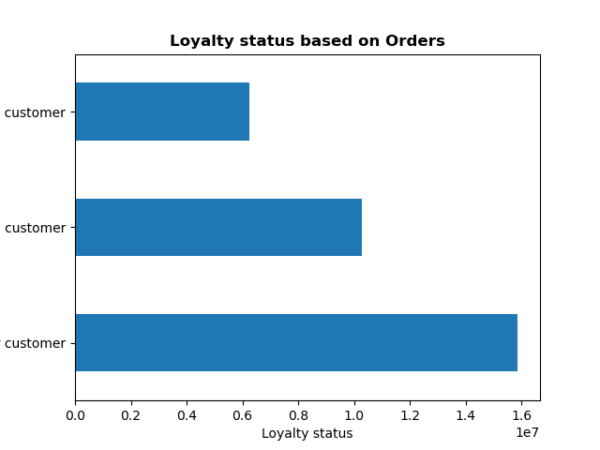

New Customer

Loyal Customer

Regular Customer

COMMENT: Regular customers have the most orders.

5c. What are the differences in ordering habits based on a customer’s region?

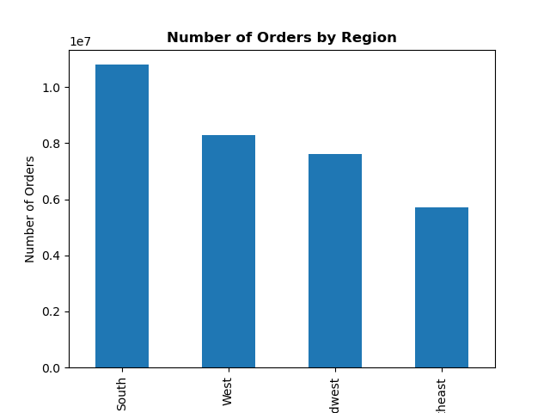

COMMENT: The South region represents the region with the highest number of orders.

5d. Is there a connection between age and family status in terms of ordering habits?

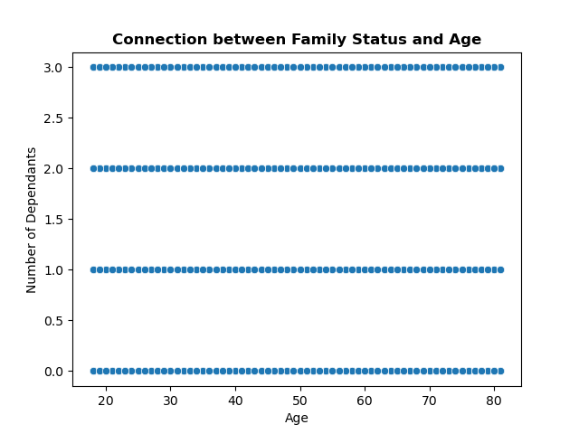

COMMENT: What the chart illustrates is that between the ages of 20 and 80, there are up to 3 dependants in a family.

5e. What different classifications does the demographic information suggest? Age? Income? Certain types of goods? Family status?
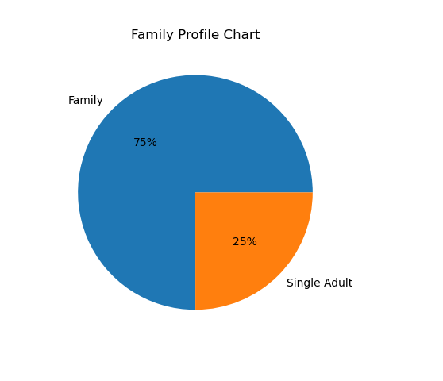
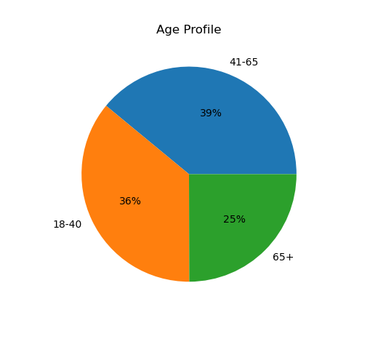
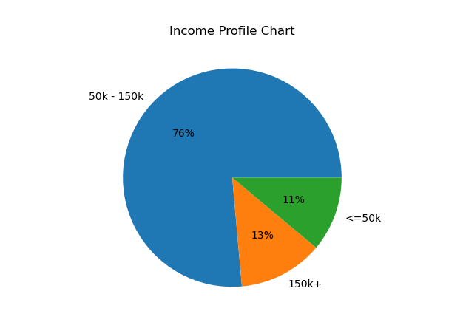

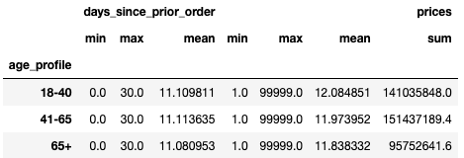

COMMENT: For customers in all age profiles, the average days since prior order is 11. The age group 41-65 represents the highest revenue, followed closely by the 18-40 age group. Similar to all age profiles, all income profiles also have 11 days since their prior order. The 50k-150k income profile represents the highest revenue. Those customers with families represent the highest revenue. Again, their days since prior order is also 11.

5f. What differences can you find in ordering habits of different customer profiles?
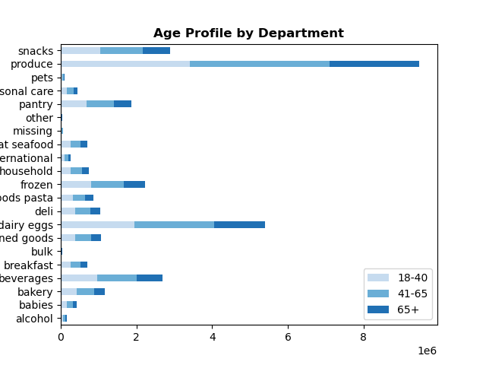
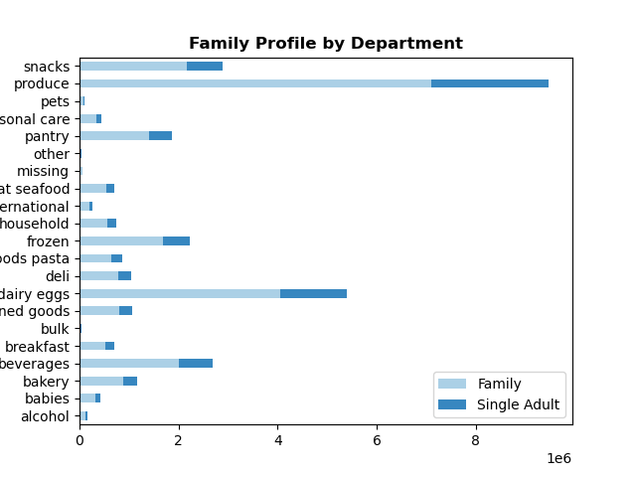

COMMENT: Produce is the highest revenue department for all age profiles. |  | COMMENT: Within the produce department, customers with families purchase the most.

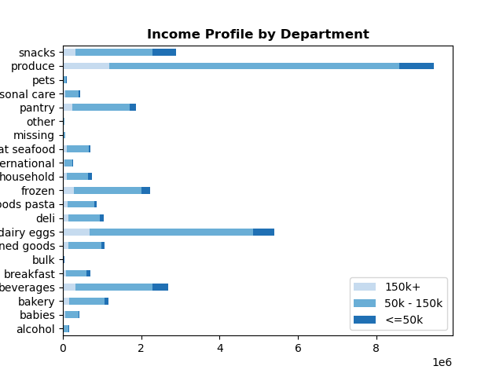

COMMENT: Within the produce and dairy/eggs departments, customers with the income profile 50k-150k purchase thew most.

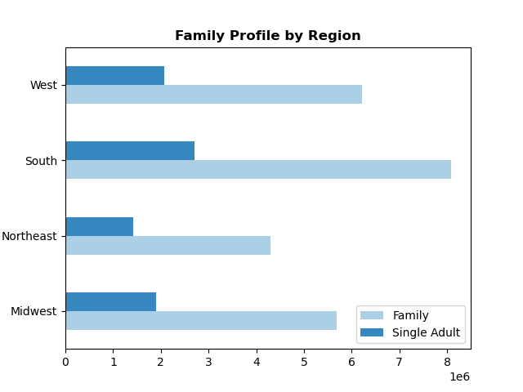
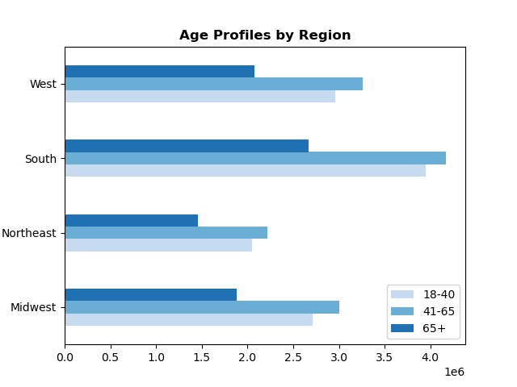

COMMENT: The age profile 41-65 is the highest in the South region. |  | COMMENT: Families are the most prevalent in the South region.

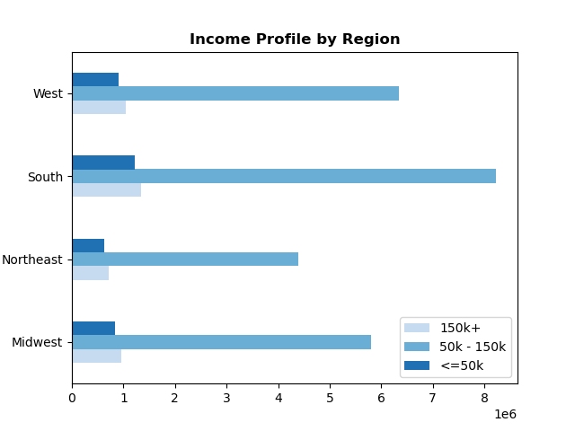
 |  |  | Income by Age


COMMENT: Customers in the 50k-150k income profile are the highest in the South region. |  | COMMENT: This scatterplot illustrates that from the ages 20-40, the most common income is around 200k. Once the age reaches 40, that income is more likely to be around 300k.

7. Recommendations
 |  | Title page

Recommendations

Key Question 1 | The sales team needs to know what the busiest days of the week and hours of the day are (i.e., the days and times with the most orders) in order to schedule ads at times when there are fewer orders.

Answer | The most orders are placed on Saturday and Sunday and the fewest orders on Tuesday and Wednesday. 10am-11am is the peak time when orders are placed with orders starting to decline around 3pm.

Recommendation | Schedule ads on Tuesday and Wednesdays after 3pm so that will encourage customers to place orders during those slower times.

Key Question 2 | They also want to know whether there are particular times of the day when people spend the most money, as this might inform the type of products they advertise at these times.

Answer | Customers will spend money on higher priced items around 4pm each day, but that does not necessarily mean they spend the most at that time. The busiest hour according to price is 11am.

Recommendation | Identify the higher priced items that are being purchased around that 4pm time frame and then advertise those items in that time frame.

Key Question 3 | Instacart has a lot of products with different price tags. Marketing and sales want to use simpler price range groupings to help direct their efforts.

Answer | The price range groupings are "High Spender" and "Low Spender". It is clear the vast majority of customers fall into the "Low Spender" category.

Recommendation | Since there is such a small percentage in the "High Spender" grouping, Instacart should focus on advertising higher priced items to help increase the revenue for higher priced items.

Key Question 4 | Are there certain types of products that are more popular than others? The marketing and sales teams want to know which departments have the highest frequency of product orders.

Answer | The departments with the highest frequency of orders are Produce, Dairy eggs, Snacks, Beverages, and Frozen.

Recommendation | Emphasis should be placed on departments that have lower frequency of orders, such as babies, personal care, and alcohol. Particular focus on higher revenue items within those departments.

Key Question 5a | What’s the distribution among users in regards to their brand loyalty (i.e., how often do they return to Instacart)?

Answer | The loyal customers appear to be the most frequent customers. The regular customers are typically also frequent customers. New customers are the customers that are the least frequent.

Recommendation | A loyal customers program should be created. For example, for every $100 spent, they get a $5 coupon. This will also entice new customers to return and increase them to a loyal customer.

Key Question 5b | Are there differences in ordering habits based on a customer’s loyalty status?

Answer | Regular customers have the most orders by a significant margin. They are repeat order customers.

Recommendation | Similar to how Amazon works, they should advertise to re-order common items, such as personal care products. This would help increase orders and loyalty.

Key Question 5c | Are there differences in ordering habits based on a customer’s region?

Answer | The South region represents the region with the highest number of orders.

Recommendation | The South is the region that leads many categories, so my recommendation is to find a common denominator of why the South does so well, such as advertise baby related items, and then implement that strategy through advertising in other regions, starting with the Northeast region.

Key Question 5d | Is there a connection between age and family status in terms of ordering habits? Note: Instacart is a real company that’s made their data available online. However, the contents of this project brief have been fabricated for the purpose of this Achievement.

Answer | What the chart illustrates is that between the ages of 20 and 80, there are up to 3 dependants in a family.

Recommendation | Since there is such a large connection between age a family status, and that families do represent such a large portion of revenue for Instacart, a significant portion of the advertising budget should be targeted towards family items.

Key Question 5e | What different classifications does the demographic information suggest? Age? Income? Certain types of goods? Family status?

Answer | For customers in all age profiles, the average days since prior order is 11. The age group 41-65 represents the highest revenue, followed closely by the 18-40 age group. Similar to all age profiles, all income profiles also have 11 days since their prior order. The 50k-150k income profile represents the highest revenue. Those customers with families represent the highest revenue. Again, their days since prior order is also 11.

Recommendation | The income range of 50k-150k represents the largest income profile. Since families represent the most revenue, less expensive products should be advertised and those products should fall into a few departments, such as produce, canned goods, and pantry. Additionally, the age profile 41-65 is typically the age profile where people are raising children and/or preparing for retirement, so saving money is very crucial. Another consideration is to advertise more expensive products to the age profile 18-40. Overall, since produce is the leading department across all profiles, a fair portion of advertising should be contributed to promoting produce.

Key Question 5f | What differences can you find in ordering habits of different customer profiles? Consider the price of orders, the frequency of orders, the products customers are ordering, and anything else you can think of.

Answer | Overall, customers will spend very similarly to other customers regardless of their income profile, with a few exceptions. Families certainly spend more on produce than single people. At or after 40 years old, income tends to get higher for that age profile, which typically means that age profile has more to spend.

Recommendation | The first recommendation is to fine tune advertising on produce towards families. We already know that families purchase the most produce, so it is important that department is refined since it represents such a large portion of revenue. Additionally, the frequency in which ads are run towards families should be increased. Since families are large, they typically will order more, so we want to capitalize on those orders to increase revenue through family specific ads. For middle and upper class income profiles, I would recommend targeted ads of high quality meat/seafood. This profile group likely already purchases meat/seafood, but advertising premium meat/seafood will increase revenue.

